1. Title Page
[Instacart Grocery Basket Analysis]

Project Name: Instacart Grocery Basket Analysis
Date: 11/2/22
Analyst Name: Shelby Steele

Contents:
Population Flow
Consistency checks
Wrangling steps
Column derivations
Visualizations
Recommendations

Source: “The Instacart Online Grocery Shopping Dataset 2017”, Accessed from https://www.instacart.com/datasets/grocery-shopping-2017 on 11/2/22.
Note: Cuatomer data and product prices was fabricated for the purpose of this report

2. Population Flow
Title page

Population flow

Exclusion flag
Condition: max_order < 5
Obervations to be removed: 1,440,295
Final total count of order_products_all: 30,964,564

Orders_products_combined
Orders_products_merged
Orders_products_all

Total: 32,404,859
Total: 32,434,489
Total: 30,964,564

1.) The grey boxes in the first row of the population flow represent the original data sets as they were when you downloaded them. In the Total fields you need to add the count of the rows when you imported the data set into Jupyter.
2.) The second row of boxes (coloured) represents the data sets after you manipulated them, e.g., removed missing values and duplicates. In the Total fields you need to add the count of the rows after conducting these operations. This offers a visual oveview of how the data flows throughout the data consistency checks.
3.) The third row, where also the arrows are coloured, represents the merges you performed between the datasets. In the Total fields you need to add the count of the rows in the merged datasets, so that you end up with the final dataset (in the red box). Keep in mind the final dataset should be without exclusions (based on the exclusion flag).

3. Consistency checks
 |  |  |  | Title page
Consistency checks

Dataset | Missing values | Missing values treatment | Duplicates
Orders | 206,209 values were missing from day_since_prior_order | nothing- indicated first order | There were no duplicate in this data set.
Products | 16 product_names were NaN | values were fltered out via a new dataframe that did not contain them
Products | Prices > 25 | Changed to NaN to avoid outliers and skews
Products |  |  | 5 duplicates were removed
orders_products_prior | No missing vlaues | n/a | no duplicated values
Customers | First Name has 11259 NaN Values | nothing
Customers |  |  | no duplicated values

4. Wrangling steps
 |  |  |  |  | Title page
Wrangling steps

Dataset | Columns Dropped | Columns renamed | Columns' type changed | Comment/Reason
Orders | eval_set |  |  | Dropped because it was not neceassy for my analysis
 |  | order_dow = order_day_of_week |  | Name was not clear
 |  |  | order_id = str | Column asts as key
 |  |  | user_id = str | changed to object
 |  |  | order_hour_of_day | changed from float to int
Customers |  | First Name = first_name |  | Name was not clear
 |  | Surnam = last_name |  | Consistency
 |  | Gender = gender |  | Consistency
 |  | STATE = state |  | Consistency
 |  | Age = age |  | Consistency
 |  | n_dependants = num_of_dependants |  | Name was not clear
 |  | fam_status = marital_status |  | Consistency
 |  |  | order_id | changed to int32
 |  |  | user_id' | Column asts as key and changed to int32
 |  |  | order_number | changed to int8
 |  |  | orders_day_of_week | changed to int8
 |  |  | order_hour_of_week | changed to int8
 |  |  | days_since_prior_order | changed to float 16
 |  |  | reordered | changed to int8
 |  |  | add_to_cart_order | changed to int8
 |  |  | asile_id | changed to int16
 |  |  | income | changed to int32
 |  |  | Frist Name: Mixed Type | Changed to object
 |  |  | num_of_dependants | changed to int8
 |  |  | Age | changed to int8
Insta_Final | first_name |  |  | PII Data
 | last_name |  |  | PII Data
 |  | Unmamed: 0 |  | Changed to department id

5. Column derivations
 |  |  |  |  | Title page

Column derivations and aggregations

In this tab you should add tables below that the frequences of flags/label variables that you produced after deriving them. NB: don't do this for continuous variables, only for flags.
Dataset | New column | Column/s it was derived from | Conditions | Code
df_ords_prods_merged | price_range_loc' | prices' | If price <= $5, it will be labeled a “low-range product.” If price > $5 but <= $15, it will be labeled a “mid-range product.” If price > $15, it will be labeled a “high-range product.” | def price_label(row): if row['prices'] <= 5: return 'Low-range product' elif (row['prices'] > 5) and (row['prices'] <= 15): return 'Mid-range product' elif row['prices'] > 15: return 'High range' else: return 'Not enough data'
 | busiest_days' | orders_day_of_week' | if day 0 or 1- 'busiest days', if day 4 or 3- 'least busy', else-'regularly busy' | result2 = [ ] for value in df_ords_prods["order_day_of_week"]: if value == 0: result2.append("Busiest day") elif value == 4: result2.append("Least busy") else: result.2append("Regularly busy") df_ords_prods['busiest_day']=result2
 | busiest_period_of_day' | order_time_of_day' | if hour of day <=16 and >=9, then 'most orders', if hour of day <6 then 'fewest orders', else - 'average orders'. | result3=[ ] for value in df_ords_prods["order_hour_of_day"]: if value>=9 and value<=16: result3.append("Most orders") elif value<=6: result3.append("Fewest orders") else: result3.append("Average orders") df_ords_prods['busiest_period_of_day']=result3
df_ords_prods_merge | max_order' | user_id, 'order_number' | max number of orders | ords_prods_merge['max_order'] = ords_prods_merge.groupby(['user_id'])['order_number'].transform(np.max)
 | loyalty_flag' | max_order | If max_order <= 10, it will be labeled a “New customer” If max_order >10 but <=40, it will be labeled a “Regular customer” If max_order >40, it will be labeled a “Loyal customer” | ords_prods_merge.loc[ords_prods_merge['max_order'] > 40, 'loyalty_flag'] = 'Loyal customer' ords_prods_merge.loc[(ords_prods_merge['max_order'] <= 40) & (ords_prods_merge['max_order'] > 10), 'loyalty_flag'] = 'Regular customer' ords_prods_merge.loc[ords_prods_merge['max_order'] <= 10, 'loyalty_flag'] = 'New customer'
 | average_order | user_id, 'prices' | average prices of products ordered per user | ords_prods_merge['avg_price'] = ords_prods_merge.groupby(['user_id'])['prices'].transform(np.mean)
 | spending_flag | average_order' | If avg_price<10, it will be labeled a “Low spender” If avg_price >=10, it will be labeled a “High spender” | ords_prods_merge.loc[ords_prods_merge['avg_price'] <10, 'spending_flag'] = 'Low spender' ords_prods_merge.loc[ords_prods_merge['avg_price'] >=10, 'spending_flag'] = 'High spender'
 | median_days_since_prior_order | user_id', "days_since_prior_order' | median number of days between orders per user | ords_prods_merge['median_order_frequency'] = ords_prods_merge.groupby(['user_id'])['days_since_last_order'].transform(np.median)
 | frequency_flag | median_days_since_prior_order | If median_order_frequency >20, it will be labeled a “Non-frequent customer” If median_order_frequency >10 but <=20, it will be labeled a “Regular customer” Ifmedian_order_frequency<=10, it will be labeled a “Frequent customer” | ords_prods_merge.loc[ords_prods_merge['median_order_frequency'] >20, 'frequency_flag'] = 'Non-frequent customer' ords_prods_merge.loc[(ords_prods_merge['median_order_frequency'] >10) & (ords_prods_merge['median_order_frequency'] <=20), 'frequency_flag'] = 'Regular customer' ords_prods_merge.loc[ords_prods_merge['median_order_frequency'] <=10, 'frequency_flag'] = 'Frequent customer'
insta_final | region | state | df.loc[df['state'].isin(northeast), 'region']='Northeast' df.loc[df['state'].isin(midwest), 'region']='Midwest' df.loc[df['state'].isin(south), 'region']='South' df.loc[df['state'].isin(west), 'region']='West' | result = [ ] for value in df_cust['state']: if value in('Maine', 'New Hampshire', 'Vermont', 'Massachusetts', 'Rhode Island', 'Connecticut', 'New York', 'Pennsylvania', 'New Jersey'): result.append('Northeast') elif value in('Wisconsin', 'Michigan', 'Illinois', 'Indiana', 'Ohio', 'North Dakota', 'South Dakota', 'Nebraska', 'Kansas', 'Minnesota', 'Iowa', 'Missouri'): result.append('Midwest') elif value in('Delaware', 'Maryland', 'District of Columbia', 'Virginia', 'West Virginia', 'North Carolina', 'South Carolina', 'Georgia', 'Florida', 'Kentucky', 'Tennessee', 'Mississippi', 'Alabama', 'Oklahoma', 'Texas', 'Arkansas', 'Louisiana'): result.append('South') elif value in('Idaho', 'Montana', 'Wyoming', 'Nevada', 'Utah', 'Colorado', 'Arizona', 'New Mexico', 'Alaska', 'Washington', 'Oregon', 'California', 'Hawaii'): result.append('West')
 | activity | max_order | If max order <5, it will be labeled a “Low Activity” If max_order is >=5, it will be labeled a “Active” | df_cust.loc[df_cust['max_order'] < 5, 'activity'] = 'Low Activity' df_cust.loc[df_cust['max_order'] >= 5, 'activity'] = 'Active'
 | age_group | age | If age is <= 25 it will be labeled a “Young Adult” If age is >25 & < 65 it will be labeled a “Adult”. If age is >= 65 it will be labeled a “Senior” | active.loc[active['age'] <= 25, 'age_group'] = 'Young Adult' active.loc[(active['age'] > 25) & (active['age'] < 65 ), 'age_group'] = 'Adult' active.loc[active['age'] >= 65, 'age_group'] = 'Senior'
 | income_class | income | If income is <= 52,000 it will be labeled a “Lower Class” If income is > 52,000 and <156,000 it will be labeled a “Middle Class”. If income is >= 156,000 it will be labeled a “Upper Class” | active.loc[active['income'] <= 52000, 'income_class'] = 'Lower Class' active.loc[(active['income'] > 52000) & (active['income'] < 156000 ), 'income_class'] = 'Middle Class' active.loc[active['income'] >= 156000, 'income_class'] = 'Upper Class'
 | department | depenart_id | data dictionary from departments_wrangeled.csv | "1: 'frozen', 2: 'other', 3: 'bakery', 4: 'produce', 5: 'alcohol', 6: 'international', 7: 'beverages', 8: 'pets', 9: 'dry goods pasta', 10: 'bulk', 11: 'personal care', 12: 'meat seafood', 13: 'pantry', 14: 'breakfast', 15: 'canned goods', 16: 'dairy eggs', 17: 'household', 18: 'babies', 19: 'snacks', 20: 'deli', 21: 'missing'
 | frozen_food_status | department | If any order contain items from dept 'frozen food' then flagged yes. If not, then no | result = [] for value in active['department']: if value in ('frozen'): result.append('yes') elif value in ('alcohol', 'babies', 'bakery', 'beverages', 'breakfast', 'bulk', 'canned goods', 'dairy eggs', 'deli', 'dry goods pasta', 'household', 'international', 'meat seafood', 'missing', 'other', 'pantry', 'personal care', 'pets', 'produce', 'snacks'): result.append('no')
 | dairy_eggs_status | department | If any order contain items from dept 'dairy eggs' then flagged yes. If not, then no | result = [] for value in active['department']: if value in ('dairy eggs'): result.append('yes') elif value in ('alcohol', 'babies', 'bakery', 'beverages', 'breakfast', 'bulk', 'canned goods', 'deli', 'dry goods pasta', 'frozen', 'household', 'international', 'meat seafood', 'missing', 'other', 'pantry', 'pets', 'personal care', 'produce', 'snacks'): result.append('no')
 | produce_status | department | If any order contain items from dept 'produce' then flagged yes. If not, then no | result = [] for value in active['department']: if value in ('produce'): result.append('yes') elif value in ('alcohol', 'babies', 'bakery', 'beverages', 'breakfast', 'bulk', 'canned goods', 'dairy eggs', 'deli', 'dry goods pasta', 'frozen', 'household', 'international', 'meat seafood', 'missing', 'other', 'pantry', 'personal care', 'pets', 'snacks'): result.append('no')

6. Visuals & Recommendation
 |  | Title page

Visualizations

In this tab you should include all the visual ions from Exercises 4.9 and 4.10, alongside the questions from the project brief that they answer. Include any commentary on the relationship between different variables.

● Q1: The sales team needs to know what the busiest days of the week and hours of the day are (i.e., the days and times with the most orders) in order to schedule ads at times when there are fewer orders.
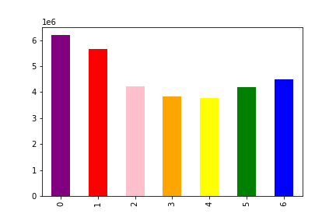
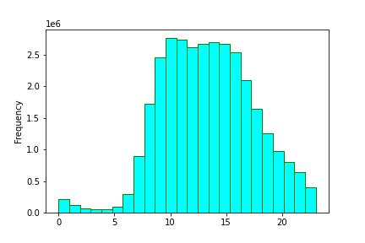

Key:
0: Saturday
1: Sunday
2: Monday
3: Tuesday
4: Wednesday
5: Thursday
6: Friday

This bar chart represents the days of the weeks when orders are placed. The busiest days are Saturday, Sunday, and Friday
This histogram represents what hours orders are being placed. The busiest hours of the day are between 10am and 5pm.

Recommendation: The marketing team should place ads outside peak hours/ days to increase orders

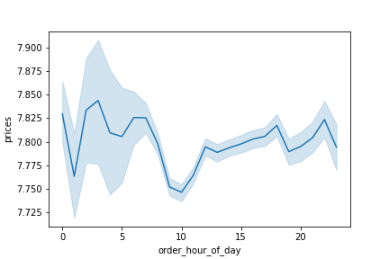
● Q2: They also want to know whether there are particular times of the day when people spend the most money, as this might inform the type of products they advertise at these times.

This line chart shows what time of day people are spending the most money. The most expensive products are being purchased between the hours of 4am and 8am

Recommendation: The marketing team should place ads for higher products during 4am and 8am to increase sales.

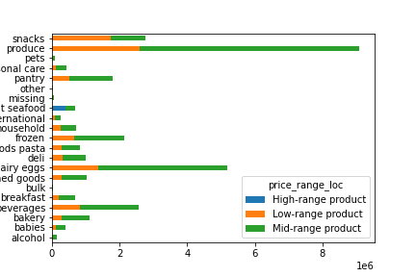
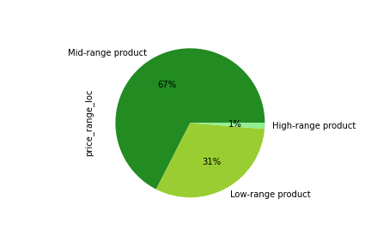
● Q3: Instacart has a lot of products with different price tags. Marketing and sales want to use simpler price range groupings to help direct their efforts.

This horizontal chart and pie chart both represent the distribution of price ranges across all departments. Mid-range product are make up 2/3 of total inventory while low-range products make up the other 1/3.

Recommendation: The marketing team should use the mid-range products as a sampler as 67% of products fall within this price category

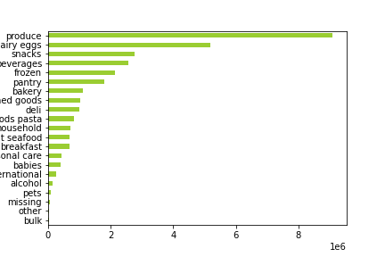
● Q4: Are there certain types of products that are more popular than others? The marketing and sales teams want to know which departments have the highest frequency of product orders.

This horizontal chart shows each department in descending order based on most popular types of products. Produce, dairy eggs, snacks, beverage, and frozen are among the top 5 departments.

Recommendation: The marketing team should focus on ads in the top 5 departments as that is where the most sales are being generated.

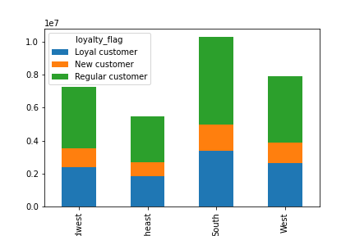
● Q5: The marketing and sales teams are particularly interested in the different types of customers in their system and how their ordering behaviors differ.
 | A. What’s the distribution among users in regards to their brand loyalty (i.e., how often do they return to Instacart)?
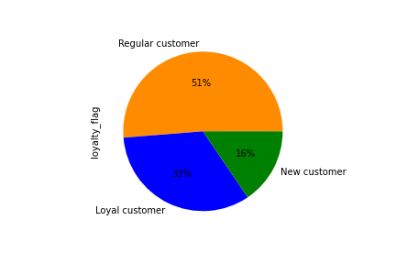

This pie chart show customer brand loyalty as a whole.
New customers make up 16% which is <=10 orders. Regular customers make up over half of the users which is > 10 but <=40 orders” Loyal customers make up a third of users which have > 40 orders.
Looking at brand loyalty across regions, the most loyal customers are in the South followed by the Midwest and West regions.

Recommendation: Marketing should focus on new and regular customers to grow the loyalty base. To get more customers converted over loyal customers, there should be a rewards program put in place the encourage frequent orders.

 | B. Are there differences in ordering habits based on a customer’s loyalty status?
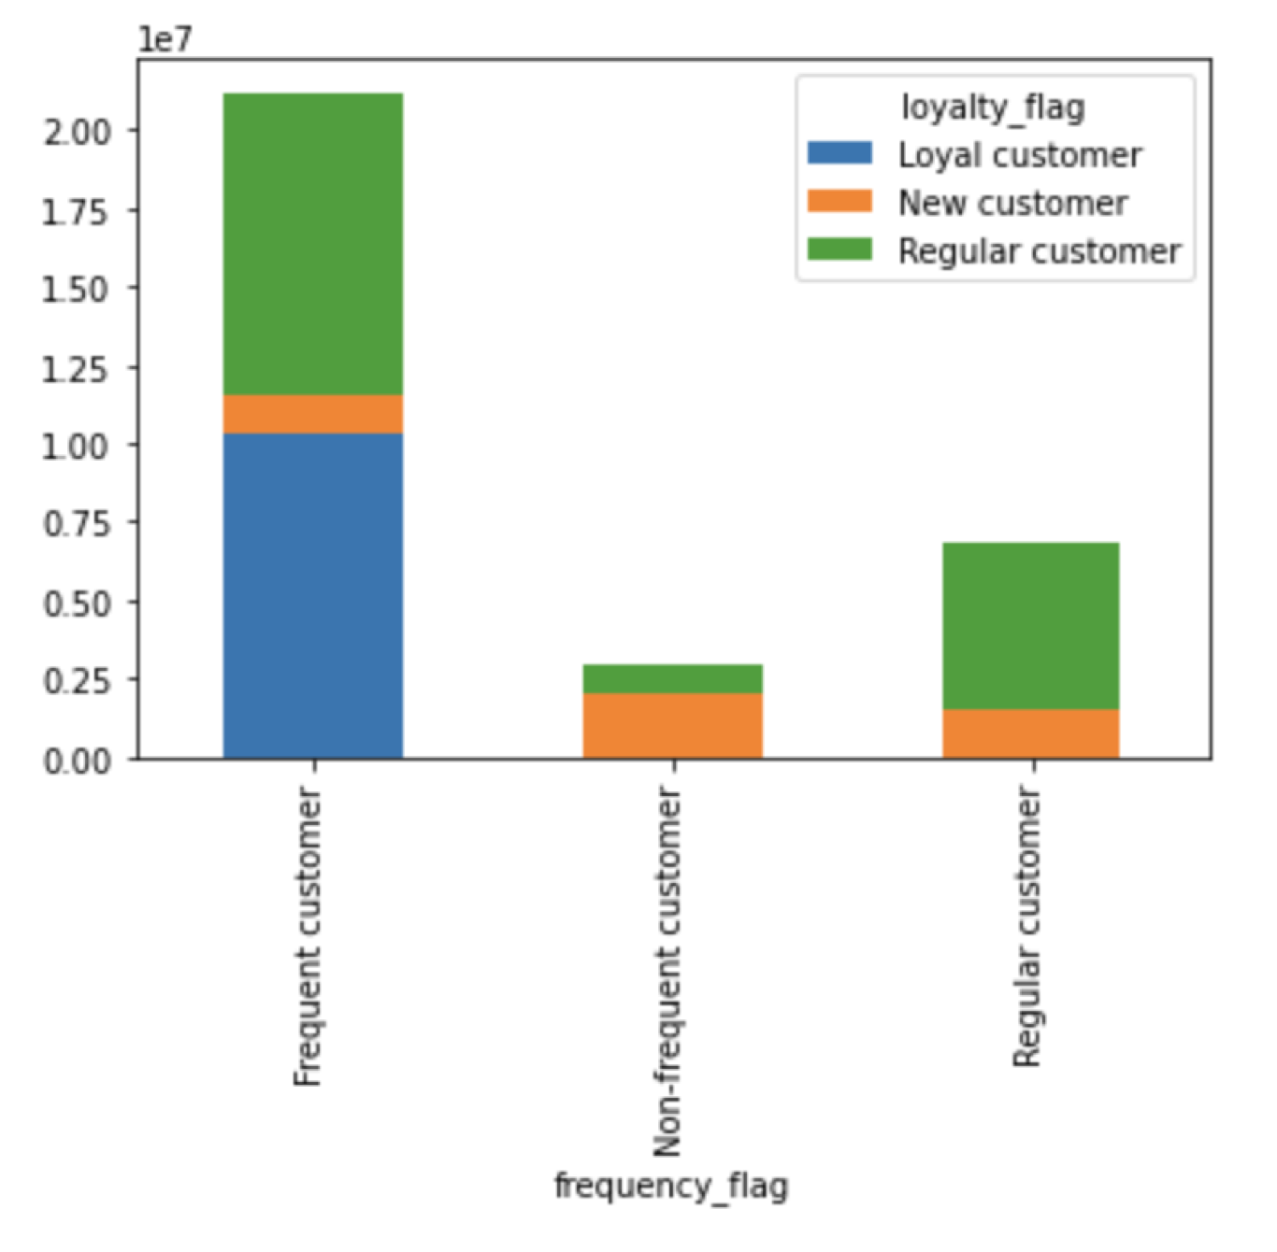

Based on brand loyalty, there is a difference based on ordering habits amongst customers.
Loyal customers are only frequent costumers which is <= 10 days since last order
Regular customers are split between frequent and regular ordering habits which is >10 but <=20 days since last order
New customers have an average order frequency of >20 days since last order making up most of the non-frequent users

Recommendation: Marketing should focus on ads that target new and regular customers to encourage frequent orders between 10 and 20 days.

 | C. Are there differences in ordering habits based on a customer’s region?

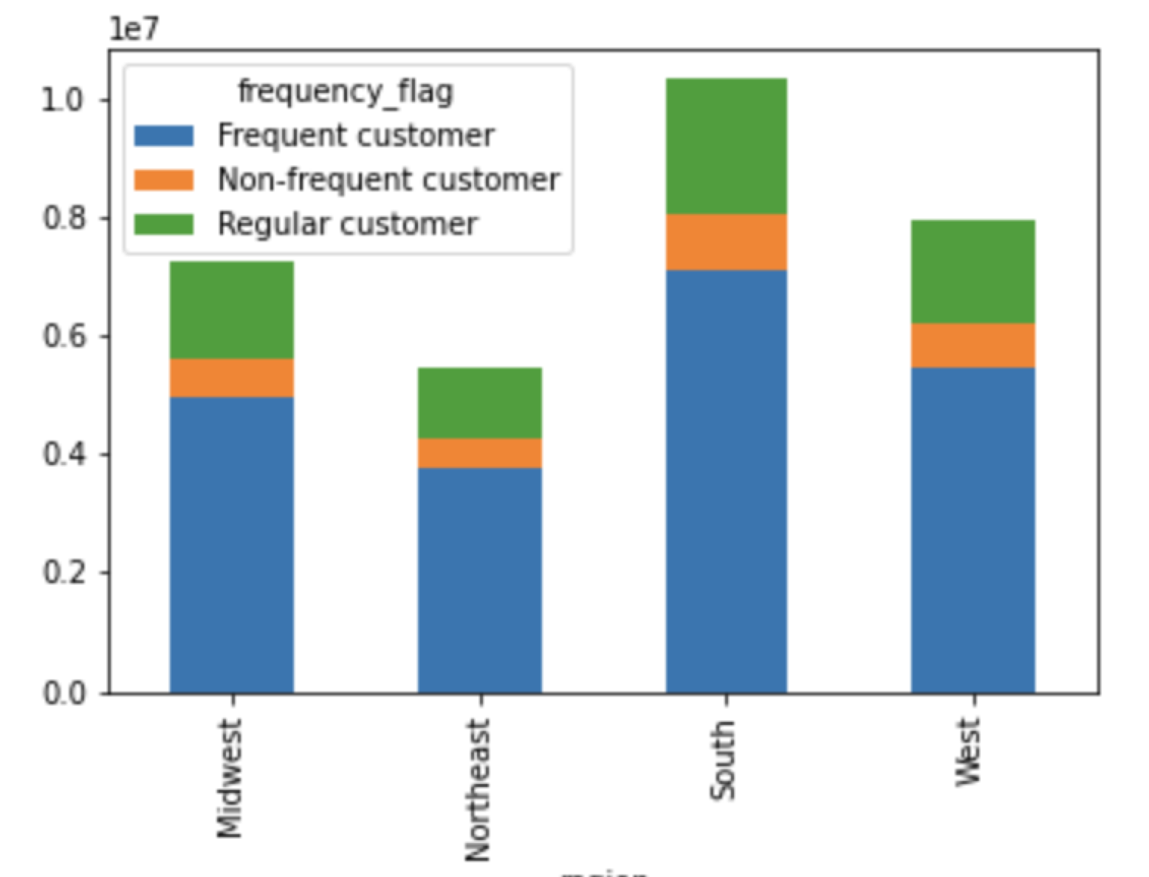
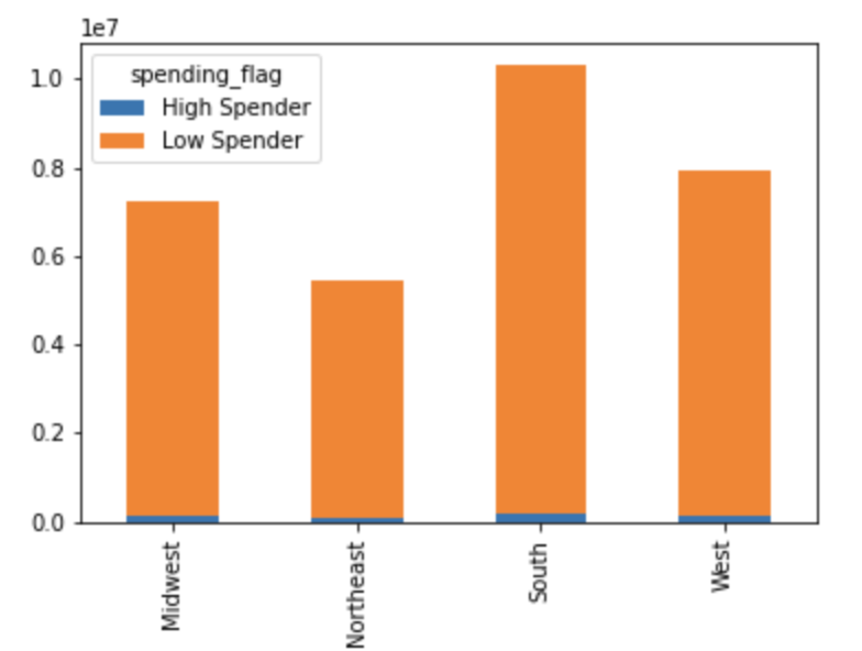

This stacked bar chart shows that there are frequent customers in each region along with regular and non-frequent. The distribution between regions is fairly similar resulting in no difference between spending habits.
This stacked chart shows that while there are frequent customers in each region, there is a low amount spend on each order.
On average there are more orders on items prices less than $10

Recommendation: Marketing should target customers in all regions with ads in the high-range products since ordering habits are all equally distributed across the regions.

 | D. Is there a connection between age and family status in terms of ordering habits?

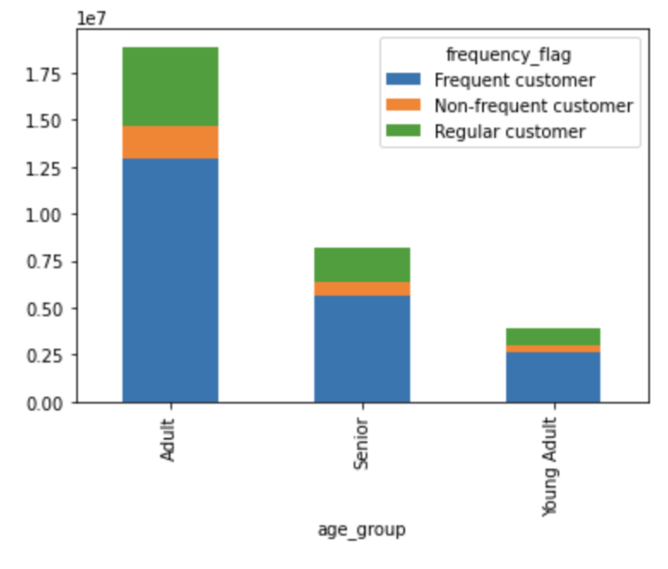
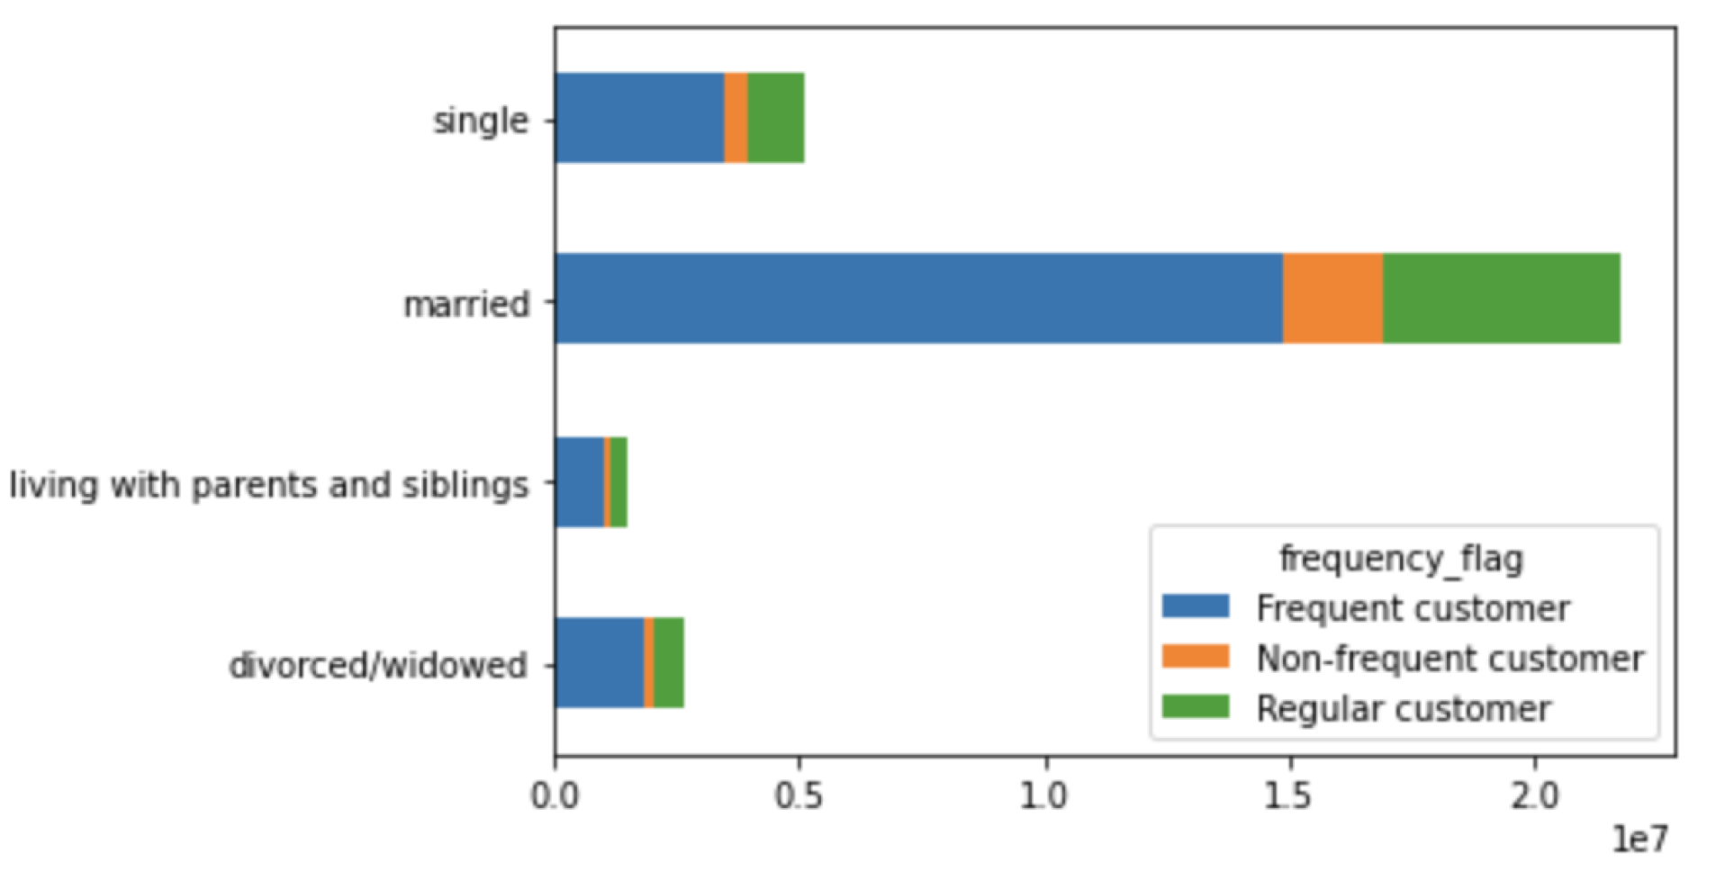

This stacked bar chart shows that customers are of all ages and the distributions of ordering habits is fairly similar in each group.
Young Adults are <=25
Adults are > 25 but <65
Seniors are >= 65
This stacked horizontal chart shows that most frequent customers are married or single. However, the distribution between ordering habits is fairly similar across all family status

Recommendation: Marketing could target ads towards young adults and adult customers who are either married, single, or divorced/widowed as this audience might be more savvy with online ordering and more likely to see ads for certain products.

 | E. What different classifications does the demographic information suggest? Age? Income? Certain types of goods? Family status?
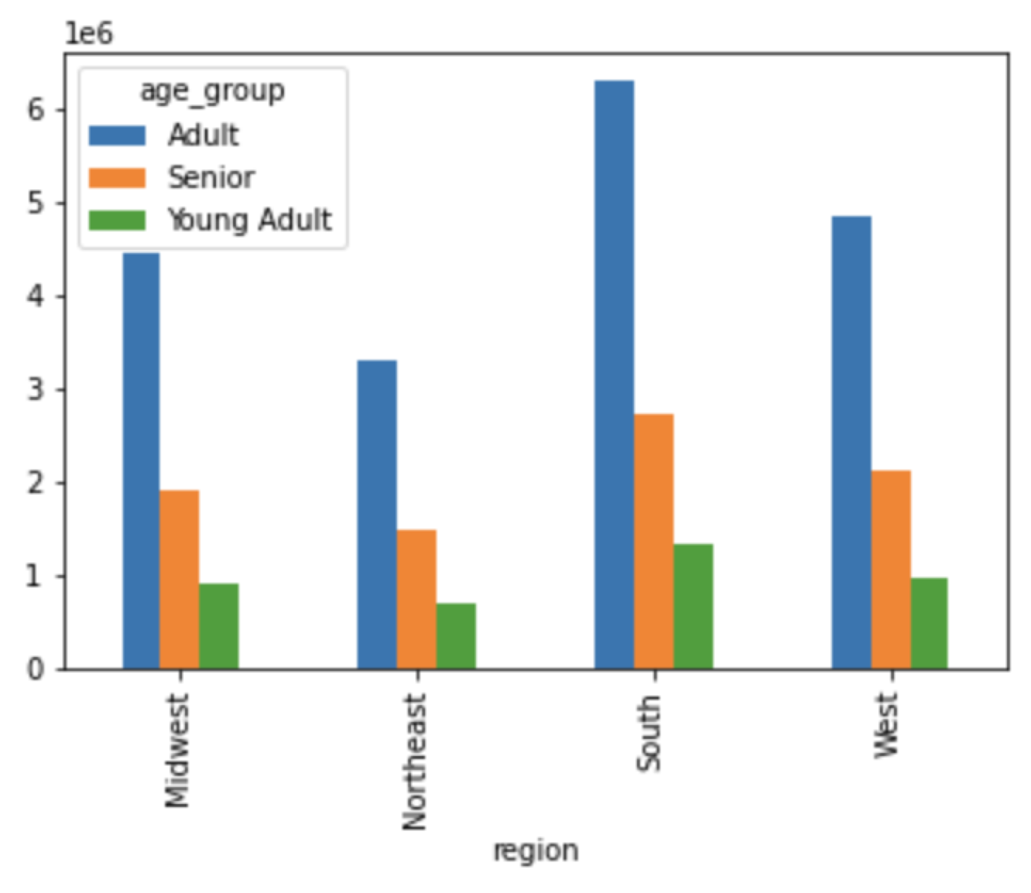
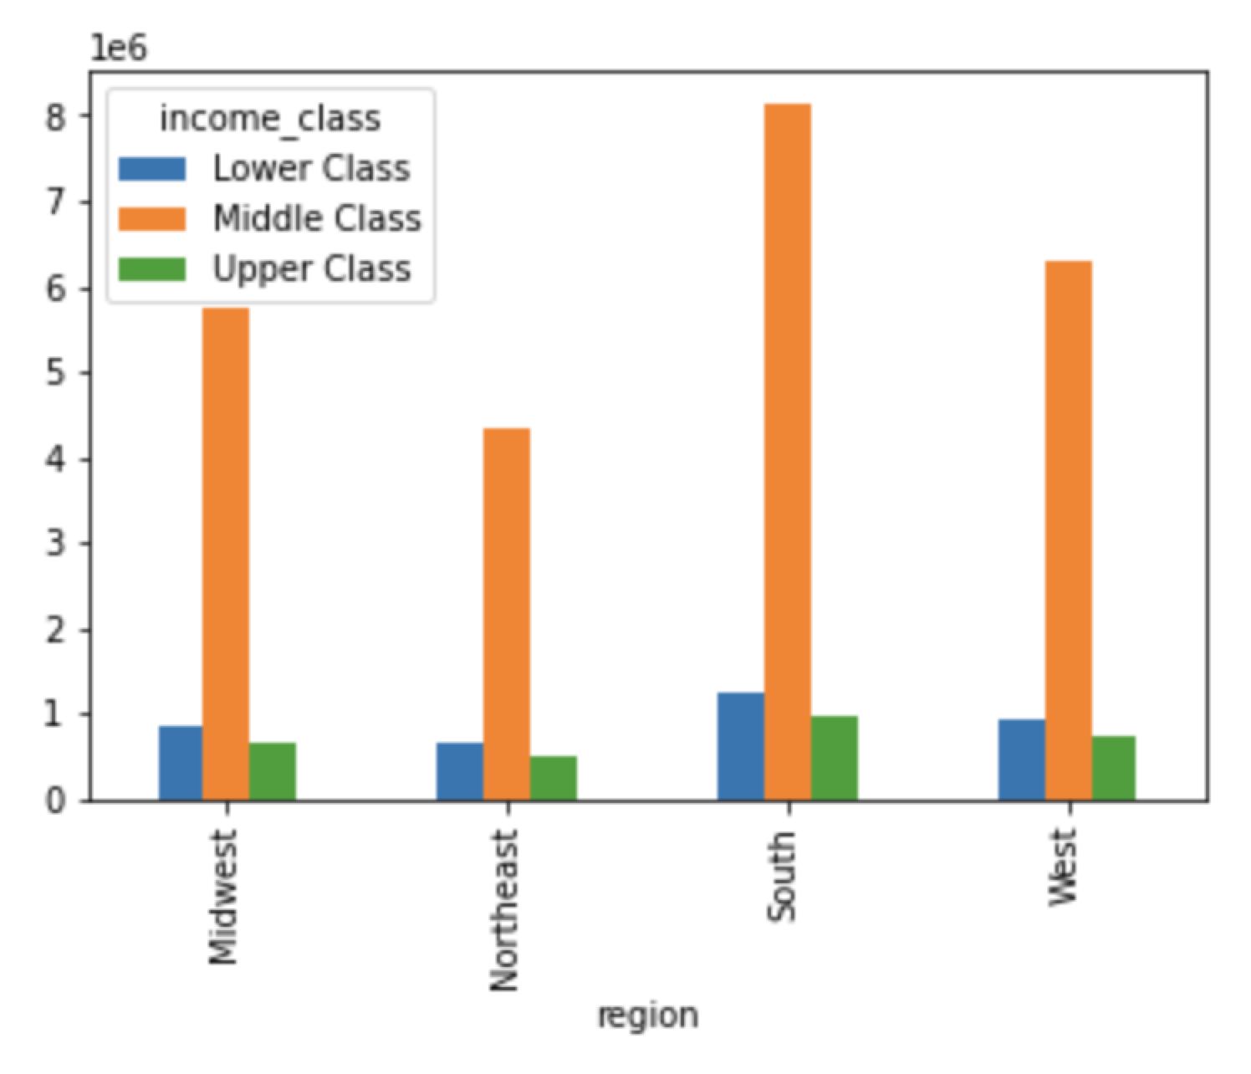

This bar chart shows that age distributions are similar across all regions, however there is a higher adult customer count when looking at the user base as a whole.
This bar chart shows the income of the customer base across all four regions. Most customers fall within the middle class income bracket as a whole, but the distribution of the economic classes are similar across all regions.

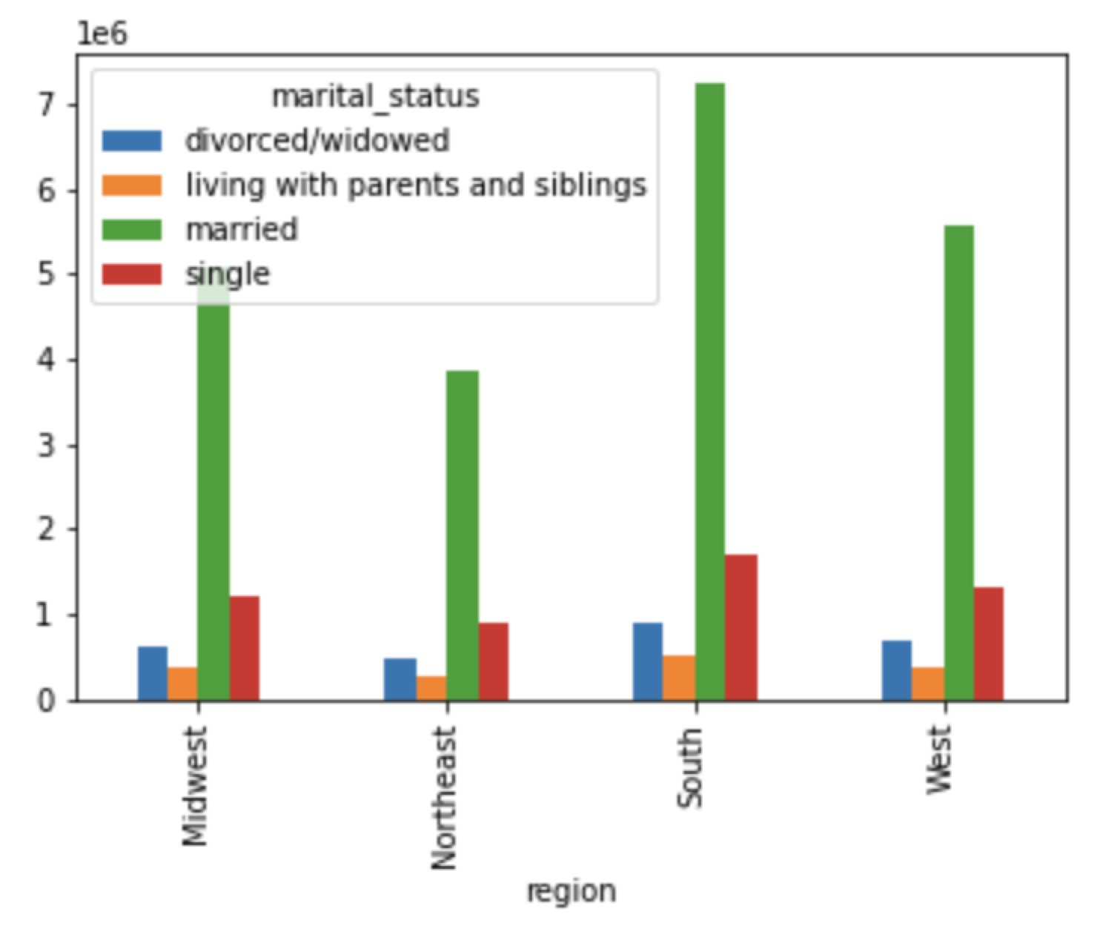
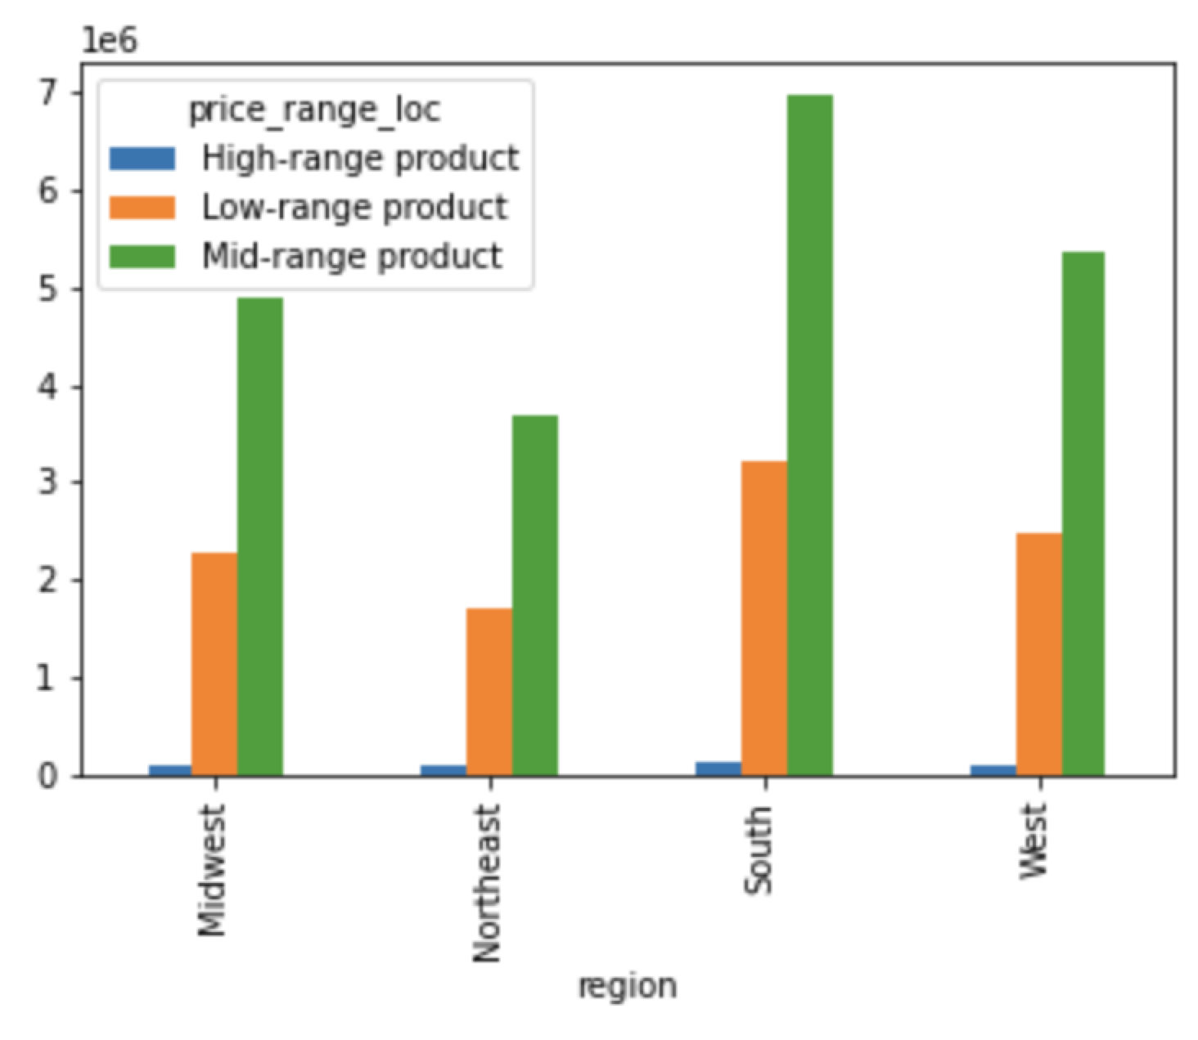

This bar chart shows that marital status distributions are similar across all regions, however there is a higher married customer count when looking at the user base as a whole.
This bar chart shows price range of products based on region. Most customers order mid-range products as a whole, but the distribution of product prices are similar across all regions.

Recommendations: Marketing should target the middle and upper class adult customers with high-range product ads as they are more likely to purchase expensive groceries. Marketing should also focus on mid and low-range products to the lower class and this target audience would not be able to continuously afford expensive products.


 | F. What differences can you find in ordering habits of different customer profiles? Consider the price of orders, the frequency of orders, the products customers are ordering, and anything else you can think of.

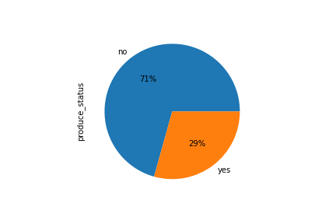
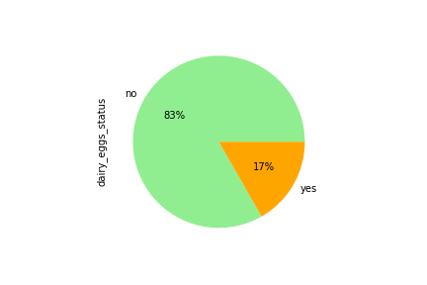

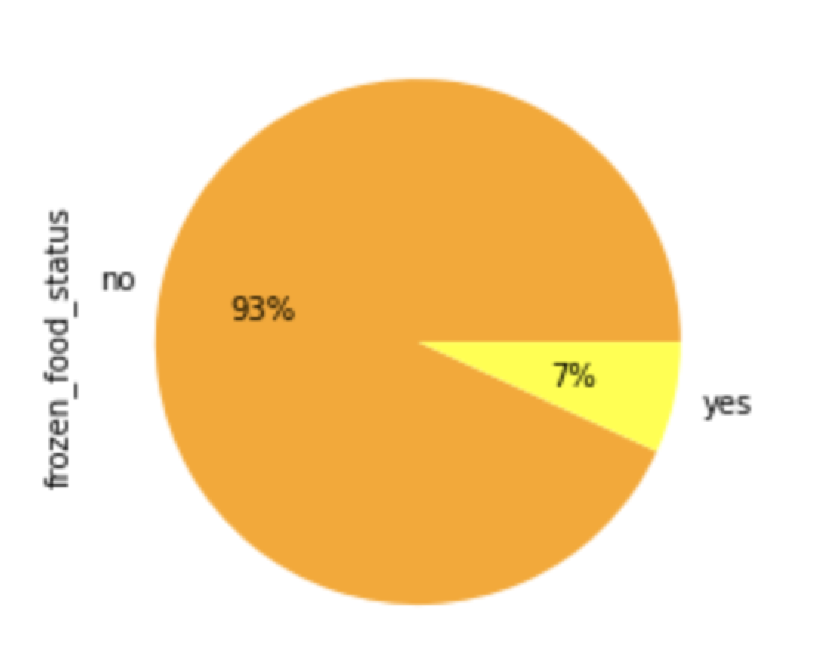

This scatterplot represents spending power by age. A large portion of customers make $200,000 or below. Stating around the age of 40, annual income increases to $400,000 to $600,000. A majority of customers age 40+ make between $200,000 and $300,000 annually.
This pie chart shows the amount of customers that buy frozen food. 93% of customers do not, while 7% do.
This pie chart shows the amount of customers that buy produce. 71% of customers do not, while 29% do.
This pie chart shows the amount of customers that buy dairy and eggs. 83% of customers do not, while 17% do.

Recommendation: Marketing ads tailored to specific departments will be more successful if customers have purchased these products in the past. Departments like frozen food, produce, and dairy eggs will generate more sales for customers who are not dairy free, enjoy fresh produce, or need quick meals in the evening.

7. Recommendations
 |  |  | Title page

Recommendations

In this tab you should include any recommendations you would made to Instcart in terms of their marketing strategy based on the questions posed in the brief. Every key question has been covered in the Tasks of the Exercises - here you need to add an item - a visualization or table/crosstable that is showing the answer in the data, acompanied by a comment from you. Please, list the questions below and add the answer underneath.

Question

● Q1: The sales team needs to know what the busiest days of the week and hours of the day are (i.e., the days and times with the most orders) in order to schedule ads at times when there are fewer orders.
 | Recommendation: The marketing team should place ads outside peak hours/ days to increase orders
● Q2: They also want to know whether there are particular times of the day when people spend the most money, as this might inform the type of products they advertise at these times.
 | Recommendation: The marketing team should place ads for higher products during 4am and 8am to increase sales.
● Q3: Instacart has a lot of products with different price tags. Marketing and sales want to use simpler price range groupings to help direct their efforts.
 | Recommendation: The marketing team should use the mid-range products as a sampler as 67% of products fall within this price category
● Q4: Are there certain types of products that are more popular than others? The marketing and sales teams want to know which departments have the highest frequency of product orders.
 | Recommendation: The marketing team should focus on ads in the top 5 departments as that is where the most sales are being generated.
● Q5: The marketing and sales teams are particularly interested in the different types of customers in their system and how their ordering behaviors differ.
 | A. What’s the distribution among users in regards to their brand loyalty (i.e., how often do they return to Instacart)?
 |  | Recommendation: Marketing should focus on new and regular customers to grow the loyalty base. To get more customers converted over loyal customers, there should be a rewards program put in place the encourage frequent orders
 | B. Are there differences in ordering habits based on a customer’s loyalty status?
 |  | Recommendation: Marketing should focus on ads that target new and regular customers to encourage frequent orders between 10 and 20 days.
 | C. Are there differences in ordering habits based on a customer’s region?
 |  | Recommendation: Marketing should target customers in all regions with ads in the high-range products since ordering habits are all equally distributed across the regions.
 | D. Is there a connection between age and family status in terms of ordering habits?
 |  | Recommendation: Marketing could target ads towards young adults and adult customers who are either single or divorced/widowed as this audience might be more savvy with online ordering and more likely to see ads for certain products.
 | E. What different classifications does the demographic information suggest? Age? Income? Certain types of goods? Family status?
 |  | Recommendations: Marketing should target the middle and upper class adult customers with high-range product ads as they are more likely to purchase expensive groceries. Marketing should also focus on mid and low-range products to the lower class and this target audience would not be able to continuously afford expensive products.
 | F. What differences can you find in ordering habits of different customer profiles? Consider the price of orders, the frequency of orders, the products customers are ordering, and anything else you can think of.
 |  | Recommendation: Marketing ads tailored to specific departments will be more successful if customers have purchased these products in the past. Departments like frozen food, produce, and dairy eggs will generate more sales for customers who are not dairy free, enjoy fresh produce, or need quick meals in the evening.

